WK03
Data can be arranged in ascending or descending order by using

Question 1 options:
 | Sort command from Table menu
 | Sort command from Data menu
 | Sort command from Tools menu
 | None of these
Question 2 (1 point)

Saved
What happens when you create a table in Excel?

Question 2 options:
 | Alternate row color banding is added to the table
 | Filters are automatically added to the header row (Ans)
 | Nothing. You have to set all the characteristics, such as the ones above, manually
 | None of the above
Question 3 (1 point)

Saved
Excel tables come with a new style of formulas called Structured Table Referencing. What happens when a classic A1 style of formulas that you are used to writing is entered in an Excel table cell?

Question 3 options:
 | A1 style formulas are replaced by the new formula style and automatically run down the entire column
 | A1 style formulas function as normal, but are automatically run down the entire column
 | A1 style formulas can't be used in tables
 | Don't know
Question 4 (1 point)

Saved
Formatting a range of data as an Excel table can apply color banding and immediately add a name to the table (covering the entire table range), and also add filters. Which outcome is the most difficult to replicate on a range of data not set up as an official Excel table?
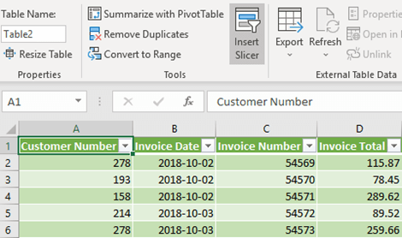

Question 4 options:
 | Adding filters to a list of data
 | Alternate row color banding that updates automatically when new rows are inserted
 | Ensuring a VLOOKUP is always pointed at the entirety of the target data
 | Don't know
Question 5 (1 point)

Saved
Pre-made sheet formats like Simple, Classic, Accounting, Colorful et can be applied from
Question 5 options:
 | from Fromat >> Cells
 | from Format >> Autoformat
 | from Table >> Autoformat
 | All of above

WK15
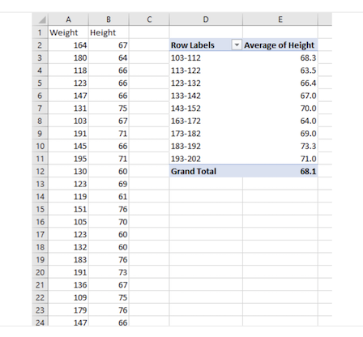
Question 1 (1 point) |  | 5/5

_________________are used to display source data in a chart directly
Question 1 options:
 | A chart legend
 | A collection of chart data markers
 | A set of values you plot in a chart
 | A data label
Question 2 (1 point)

___________________in Excel is used to display the actual value of a measure, as in, projects status compared to the target.
Question 2 options:
 | Column chart
 | Band chart
 | Both column and Band chart
 | Thermometer Charts
Question 3 (1 point)

A __________________ shows a running total as values are added or subtracted. ?
Question 3 options:
 | Water fall chart
 | Gnatt chart
 | Pivot chart
 | Temperature chart
Question 4 (1 point)

A __________________helps you schedule your project tasks and then helps you track your progress. ?
Question 4 options:
 | Water fall chart
 | Gnatt chart
 | Pivot chart
 | Temperature chart
Question 5 (1 point)

In this PivotTable, the continuous variable weight is shown in the Row field. Another continuous variable is in the Sum Values field. It is important to reduce a long list of body weights to a smaller set of weight categories. How do you do this?

Question 5 options:
 | Use weight as a filter field as well as a row field in the PivotTable.
 | Use IF() to show weight by categories instead of by pounds.
 | Click the Row Labels arrow and select Group.
 | Right-click any row field value in the PivotTable and select Group.

